grafico Markov e MTTF
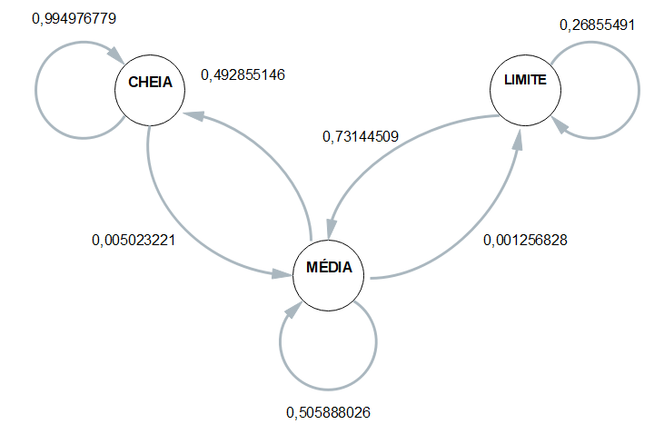
 | ESP1 | ESP2 | ESP3 | ESP4 | MÉDIA
CC | 0.99489795918 | 0.99545454545 | 0.99565217391 | 0.99390243902 | 0.99497677939
CM | 0.0051020408163 | 0.0045454545455 | 0.004347826087 | 0.0060975609756 | 0.0050232206061
CB | 0 | 0 | 0 | 0 | 0

MC | 0.55305867665 | 0.49480519481 | 0.46502590674 | 0.45853080569 | 0.49285514597
MM | 0.4456928839 | 0.5038961039 | 0.53367875648 | 0.54028436019 | 0.50588802611
MB | 0.0012484394507 | 0.0012987012987 | 0.0012953367876 | 0.0011848341232 | 0.001256827915

BC | 0 | 0 | 0 | 0 | 0
BM | 0.79545454545 | 0.7619047619 | 0.68421052632 | 0.68421052632 | 0.73144509
BB | 0.20454545455 | 0.2380952381 | 0.31578947368 | 0.31578947368 | 0.26855491

 | Esp1 | Esp2 | Esp3 | Esp4 |  | média
Hora Inicial | 14:41:56 | 14:46:29 | 14:51:56 | 14:57:23 |  | 14:49:26
Hora Limite 2,8 | 17:27:46 | 17:31:19 | 17:38:46 | 17:47:23 |  | 17:36:19
Hora Final | 17:35:16 | 17:38:19 | 17:45:06 | 17:50:33 | MTTF | 17:42:19
total de horas até 2,8 | 2:45:50 | 2:44:50 | 2:46:50 | 2:50:00 | 2:46:52 | 2:46:52

